OSS Catalogue UI
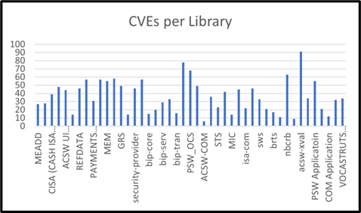
 |  | Apps | CVE Count
Service | Bacs | 45 | 1645
Applications | ACSW ENGINE (ACCOUNT SWITCHING)
Library | commons-fileupload : commons-fileupload : 1.2.2
 |  | Version | K41

Current Version | 1.2.2
CVE Count | 7
Latest Version | 1.5
Next CVE-free Version | 1.5
Next CVE-free Version including dependencies | 1.5

